SCOHR Data Input Form format
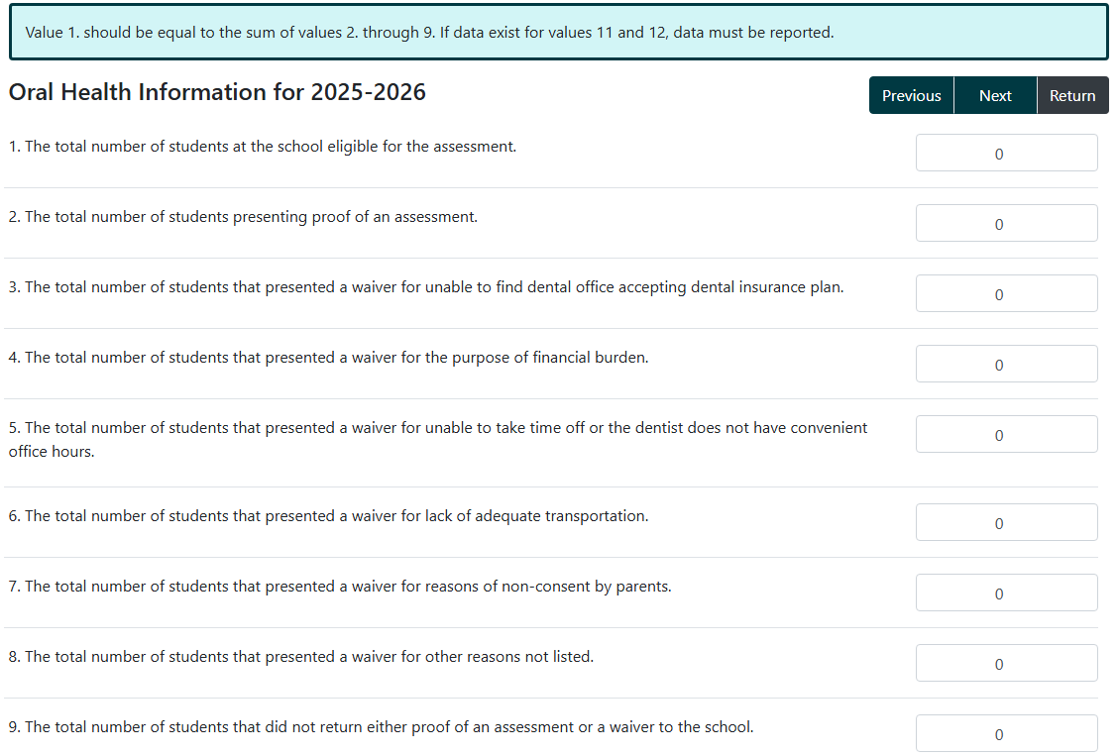
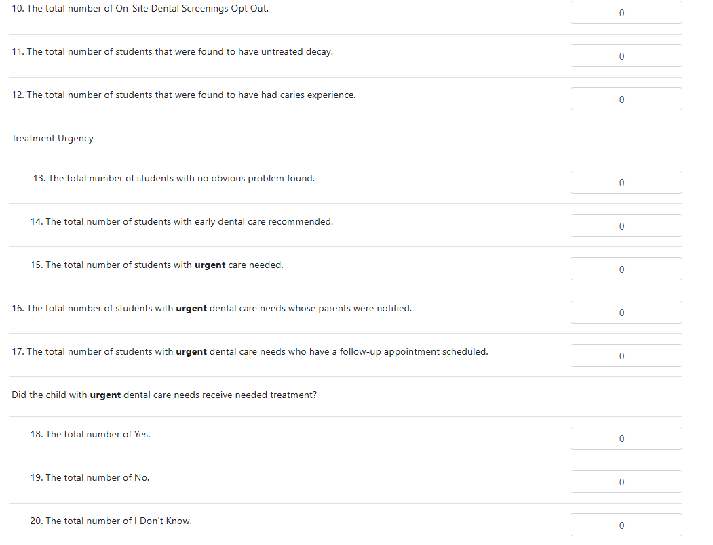
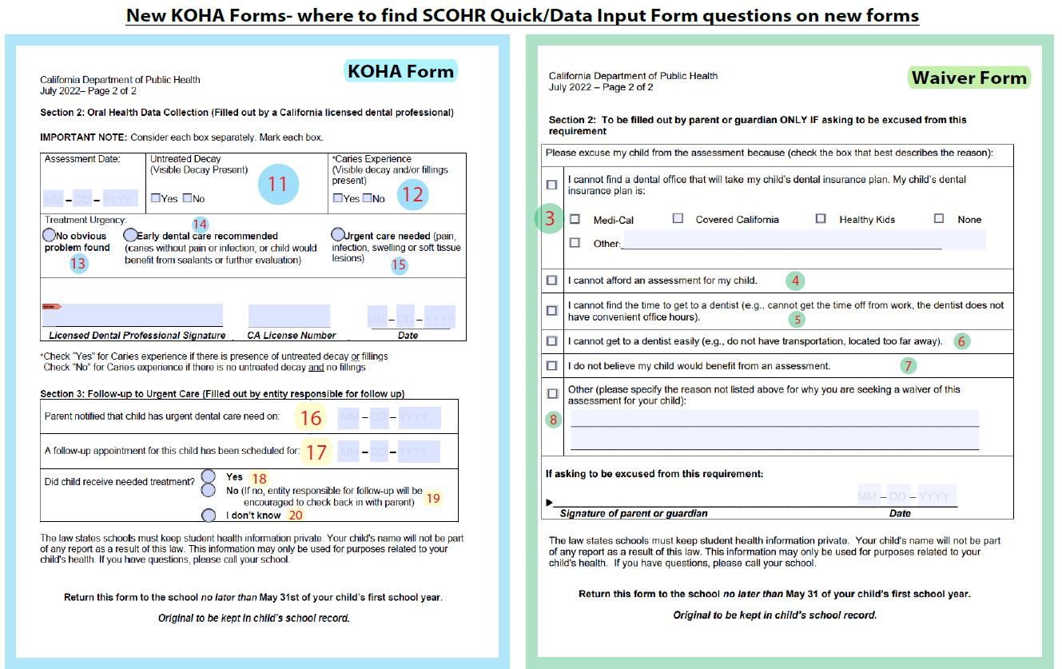
SCOHR Line Item | Oral Health Information | Totals to enter into SCOHR | Data Quality Checks and Recommendations: check for comments below
1 | The total number of students at the school eligible for the assessment. | 0
2 | The total number of students presenting proof of an assessment. | 0
3 | The total number of students that presented a waiver for unable to find dental office accepting dental insurance plan. | 0
4 | The total number of students that presented a waiver for the purpose of financial burden. | 0
5 | The total number of students that presented a waiver for unable to take time off or the dentist does not have convenient office hours. | 0
6 | The total number of students that presented a waiver for lack of adequate transportation. | 0
7 | The total number of students that presented a waiver for reasons of non-consent by parents. | 0
8 | The total number of students that presented a waiver for other reasons not listed. | 0
9 | The total number of students that did not return either proof of an assessment or a waiver to school. | 0
10 | The total number of On-Site Dental Screenings Opt Out. | 0
11 | The total number of students that were found to have untreated decay. | 0
12 | The total number of students that were found to have had caries experience. | 0
13 | Treatment Urgency The total number of students with no obvious problem found. | 0
14 | Treatment Urgency The total number of students with early dental care recommended. | 0
15 | Treatment Urgency The total number of students with urgent care needed. | 0
16 | The total number of students with urgent dental care needs whose parents were notified. | 0
17 | The total number of students with urgent dental care needs who have a follow-up appointment scheduled. | 0
18 | Did the child with urgent dental care needs receive needed treatment? The total number of Yes | 0
19 | Did the child with urgent dental care needs receive needed treatment? The total number of No | 0
20 | Did the child with urgent dental care needs receive needed treatment? The total number of I Don't Know | 0

How to find the "Quick Input / Data Input Form" in SCOHR database after logging into the homepage at: ab1433.org.

1. Click on the "Data Input" tab on the menu bar, and click "Data Input Form:"
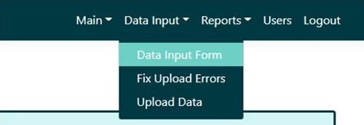

2. Select the appropriate school year, which is the same as the "fiscal year," using the "fiscal year" drop down menu:
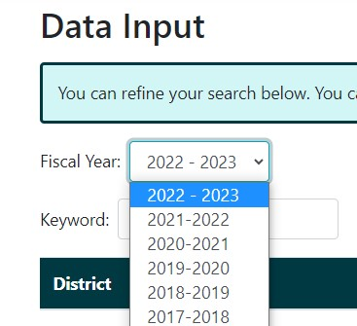

3. Choose your district and school, and click on the pencil icon under the "actions" column. The "Quick Input Form" above will then open:

4. Enter the totals in from the form at left into the SCOHR Data Input Form, and press "submit."

KOHA Data Summary
KOHA DATA SUMMARY
BREAKDOWN OF FORMS RETURNED AND NOT RETURNED |  |  | *This information is pulled automatically from the "KOHA Data Entry Worksheet" (Tab 2 below). To see data here, enter data in the "KOHA Data Entry Worksheet."
 | Number | Percent
Students eligible for KOHA who returned a COMPLETED KOHA form | 0 | #DIV/0!
Students eligible for KOHA who returned a WAIVER form | 0 | #DIV/0!
Students eligible for KOHA who DID NOT RETURN a completed KOHA or Waiver form | 0 | #DIV/0!
KOHA OUTCOME DATA
 | Number | Percent
Students with UNTREATED DECAY | 0 | #DIV/0!
Students with CARIES EXPERIENCE | 0 | #DIV/0!
Students with URGENT DENTAL CARE NEEDS | 0 | #DIV/0!
Students with urgent dental care needs who RECEIVED TREATMENT | 0 | #DIV/0!
KOHA outcome data
Breakdown of forms returned and not returned

Denominator is total # students eligible for KOHA: | 0 |  |  | Denominator for students with untreated decay, caries experience, and urgent dental care needs is total # students with completed KOHA assessment: | 0

 |  |  |  | Denominator for students with urgent dental care needs who received treatment is # students with urgent dental care needs: | 0

